Projected Cash Flow Analysis
Prompt:
You are considering two projects, A and B. Each project will cost $200,000, the WACC is 8.5% and the projected cash flow are in the Projected Cash Flows Table.
Projected Cash Flows
Year | Project A | Project B
1 | 12,580 | 90,562
2 | 37,733 | 67,920
3 | 70,437 | 50,312
4 | 88,050 | 36,735
5 | 100,625 | 25,156
NPV of Project 1 and Project 2
Project Payback Comparison
Year | Project A | A Payback | Project B | B Payback
0 | (200,000) |  | (200,000)
1 | 12,580 | FALSE | 90,562 | FALSE
2 | 37,733 | FALSE | 67,920 | FALSE
3 | 70,437 | FALSE | 50,312 | 2.8252106853
4 | 88,050 | 3.9000567859 | 36,735 | 3.2393902273
5 | 100,625 | 4.0874534161 | 25,156 | 5.8098664335
Weighted Ave Cost of Capital | 8.50% |  | 8.50%

 | Project A | Project B
Payback Period | 3.9000567859 | 2.8252106853
Net Present Value | $29,247.48 | $23,788.87
Profitability Index | 1.15 | 1.12
Internal rate of Return | 12.70% | 14.12%
Modified IRR | 11.50% | 10.97%

Required Return | NPV Project 1 | NPV Project 2 |  |  | If we were only able to select one project then Project B should be chosen
0% | 109,425 | 70,685 |  |  | It has a higher rate of return and a quicker ROI on the initial investment.
5% | 58,333 | 41,249 |  |  | However if the return
10% | 18,161 | 16,972
15% | (13,845) | (3,302)
20% | (39,650) | (20,424)
25% | (60,685) | (35,032)
30% | (78,005) | (47,610)
35% | (92,399) | (58,531)
40% | (104,464) | (68,085)

Scenario Testing Data
Prompt:
Chicago Turkey is considering a new turkey farm to service its western region stores. The stores currently require 650,000 turkeys per year, and they are purchased from various local turkey farms for an average price of $8 per bird. The managers believe that their new farm would lower the cost per bird to $7, while maintaining the average selling price of $12 per bird. However, due to the centralized structure of this operation, shipping expenses will increase to $1.25 per bird from the current $1.00. The firm will need to increase its inventory of live turkeys by $45,000. It will cost $200,000 to purchase the land and $350,000 to construct the buildings and purchase equipment. In addition, labor expense will rise by $250,000 per year. The buildings and equipment will be depreciated using the straight-line method over five years to a salvage value of $100,000. After five years, the company will sell the farm for $300,000 ($100,000 for the buildings and equipment, $200,000 for the land). The firm’s marginal tax rate is 25%, and note that land is not depreciable.
Chicago Turkey
 | Current Farm | New Farm
Turkeys per Year | 650,000 | 650,000
Cost per Turkey | $8.00 | $7.00
Shipping Cost Per Turkey | $1.00 | $1.25
Selling price | $12.00 | $12.00
Cost Per Turkey | $9.00 | $8.25
Increase in porfit per Turkey |  | $0.75
Increase in Inventory |  | $45,000
Land Cost |  | $200,000
Building Cost |  | $350,000
Labor Increase |  | $250,000
Depreciation Salvage Value (Building) |  | $100,000
Annual Depreciation Expense |  | $50,000
Actual Salvage Value(Land) |  | $200,000
Actual Salvage Value(Buildings) |  | $100,000

Marginal Tax Rate | 25.00%
Required Return | 12.00%
Cash Flows |  | Period | Cash Flow | Payback
Initial Outlay | (595,000) | 0 | (595,000)
Total ATCF | 190,625 | 1 | 190,625 | FALSE
Terminal Cash Flow | 345,000 | 2 | 190,625 | FALSE
 |  | 3 | 190,625 | FALSE
 |  | 4 | 190,625 | 3.1213114754
 |  | 5 | 535,625 | 4.3127187865
Payback Period | 3.12
Discounted Payback Period | n/a
Net Present Value | 287,922.73
Profitability Index | 1.48
Internal rate of Return | 27%
Modified IRR | 21%

Required Return | NPV
0% | 703,125
5% | 500,623
10% | 341,837
15% | 215,531
20% | 113,733
25% | 30,694
30% | (37,801)
35% | (94,880)
40% | (142,899)

Simplex Solver
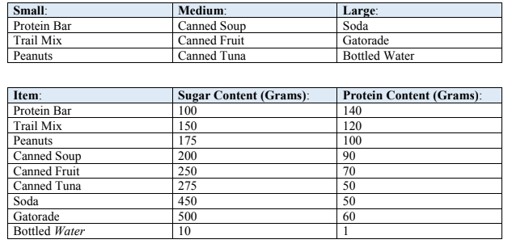
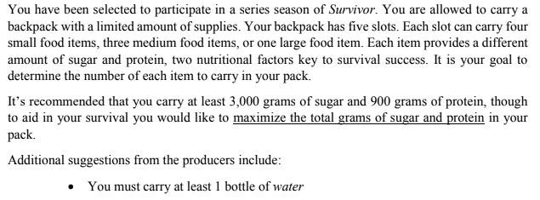

 | Sugar Per Item | Protein Per Item | Number of Items | Total Sugar Per Item Type | Total Protein Per Item Type | Constraints |  |  | Total Items | Item Per Slot | Slots used
Small |  |  |  |  |  | Min Total Sugar | 3000 | Sum Small | 8 | 4 | 2
Protein Bar | 100 | 140 | 0 | 0 | 0 | Min Total Protein | 900 | Sum Med | 6 | 3 | 2
Trail Mix | 150 | 120 | 0 | 0 | 0 | Min amount of items | 1 | Sum Large | 1 | 1 | 1
Peanuts | 175 | 100 | 8 | 1400 | 800 | Slots | 5 | Total Slots Used: |  |  | 5
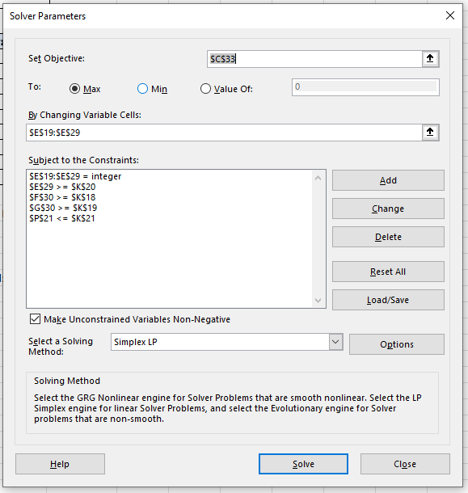
Medium |  |  | 0 | 0 | 0
Results:
After using the solver and Simplex LP method, we conclude that we will be carrying 8 items of peanuts, six cans of tuna and one bottle of water. This maximizes slot usage and total grams of sugar and protein. While also meeting the minimum requirements.
Canned Soup | 200 | 90 | 0 | 0 | 0
Canned Fruit | 250 | 70 | 0 | 0 | 0
Canned Tuna | 275 | 50 | 6 | 1650 | 300
Large |  |  | 0 | 0 | 0
Soda | 450 | 50 | 0 | 0 | 0
Gatorade | 500 | 60 | 0 | 0 | 0
Water | 10 | 1 | 1 | 10 | 1
 |  |  | Totals | 3060 | 1101

 | Maxing This
Total Pro and Sug | 4161

